Assumptions
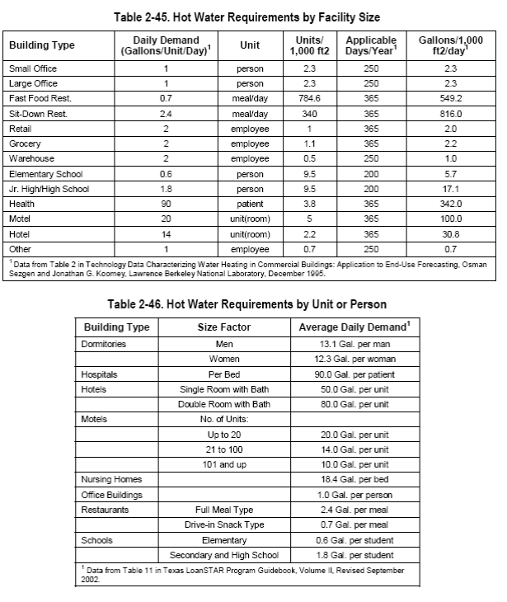
Chapter 49, Service Water Heating, 2007 ASHRAE Handbook, HVAC Applications |  |  |  | Based on CA study -1 | Based on Plumbing code, CA study or estimate -2 |  | Based on CA study -1 |  |  | See-3 | Estimate
 | Building Type | Gallons hot water per unit per day | Unit | Estimated % hot water from Faucets | Multiplier | Unit | Days per year | Annual gallons per faucet | kWh using TRM defaults | Annual Recovery Hours | % usage in peak period (1-5) | Hours of Recovery during peak (65 days in summer peak) | CF (260 hours in peak period) | Summer Coincident Peak Demand savings using default TRM assumptions
 | Small Office | 1 | person | 100% | 10 | employees per faucet | 250 | 2,500 | 43.3 | 16 | 50% | 1.44 | 0.0055 | 0.014840182648
 | Large Office | 1 | person | 100% | 45 | employees per faucet | 250 | 11,250 | 195.0 | 73 | 50% | 6.47 | 0.0249 | 0.066780821918
 | Fast Food Rest | 0.7 | meal/day | 50% | 75 | meals per faucet | 365 | 6,563 | 113.8 | 42 | 25% | 1.89 | 0.0073 | 0.019477739726
 | Sit-Down Rest | 2.4 | meal/day | 50% | 36 | meals per faucet | 365 | 10,800 | 187.2 | 70 | 33% | 4.14 | 0.0159 | 0.042739726027
 | Retail | 2 | employee | 100% | 5 | employees per faucet | 365 | 2,500 | 43.3 | 16 | 33% | 0.96 | 0.0037 | 0.0098934550989
 | Grocery | 2 | employee | 100% | 5 | employees per faucet | 365 | 2,500 | 43.3 | 16 | 33% | 0.96 | 0.0037 | 0.0098934550989
 | Warehouse | 2 | employee | 100% | 5 | employees per faucet | 250 | 2,500 | 43.3 | 16 | 50% | 1.44 | 0.0055 | 0.014840182648
 | Elementary School | 0.6 | person | 50% | 50 | students per faucet | 200 | 3,750 | 65.0 | 24 | 50% | 2.16 | 0.0083 | 0.022260273973
 | Jr High/High School | 1.8 | person | 50% | 50 | students per faucet | 200 | 11,250 | 195.0 | 73 | 50% | 6.47 | 0.0249 | 0.066780821918
 | Health | 90 | patient | 25% | 2 | Patients per faucet | 365 | 11,250 | 195.0 | 73 | 25% | 3.24 | 0.0124 | 0.033390410959
 | Motel | 20 | room | 25% | 1 | faucet per room | 365 | 1,250 | 21.7 | 8 | 10% | 0.14 | 0.0006 | 0.0014840182648
 | Hotel | 14 | room | 25% | 1 | faucet per room | 365 | 875 | 15.2 | 6 | 10% | 0.10 | 0.0004 | 0.0010388127854
 | Other | 1 | employee | 100% | 20 | employees per faucet | 250 | 5,000 | 86.7 | 32 | 50% | 2.88 | 0.0111 | 0.029680365297

 | 1. Appendix E; “Waste Not, Want Not: The Potential for Urban Water Conservation in California”; http://www.pacinst.org/reports/urban_usage/appendix_e.pdf
 | 2- Based on review of the Illinois plumbing code (Employees and students per faucet). Retail, grocery, warehouse and health are estimates. Meals per faucet estimated as 4 bathroom and 3 kitchen faucets and average meals per day of 250 (based on California study above) – 250/7 = 36. Fast food assumption estimated.
 | 3- 51.7% is the proportion of hot 120F water mixed with 57.9F supply water to give 90F mixed faucet water. 80 is Gallons per hour recovery calculated for 62.1F temp rise (120-57.9), 98% recovery efficiency, and typical 12kW electric resistance storage tank.

