References
Ref Number | Measure | Lamp Wattage | Input Watts | Wattage Reference | Wattage Link | Lamp Quantity | Mean Lamp Lumens | Ballast Factor | Fixture Efficiency | System Lumens | Lamp, Lumen, Ballast, Fixture References | Lamp and Lumen Link
1 | 200 Watt Pulse Start Metal-Halide | 200 | 227 | EISA 2007 requirement of 88% PSMH ballast efficiency for 150-500W lamps | http://unvlt.com/pdf/literature/flyers/PSMH-Flyer.pdf | 1 | 13300 | 1.00 | 69.8% | 9,280 | Mean lumens and Lamp Life per Sylvania Pulse Start Metal Halide Lamp catalogue page below 1 | http://assets.sylvania.com/assets/documents/HID_PIB4.8dbc6ea4-592a-48d8-9034-5702a6ea48ec.pdf
2 | 320 Watt Pulse Start Metal-Halide | 320 | 364 |  |  | 1 | 19000 | 1.00 | 69.8% | 13,257 | Fixture Efficiency per Acuity Brands photometric files below 2 | http://www.visual-3d.com/tools/PhotometricViewer/default.aspx
3 | 400 Watt Pulse Start Metal-Halide | 400 | 455 |  |  | 1 | 25500 | 1.00 | 70.1% | 17,876
4 | 750 Watt Pulse Start Metal-Halide | 750 | 825 |  |  | 1 | 67000 | 1.00 | 69.8% | 46,749
5 | 3-Lamp T5HO High-Bay | 54 | 176 | Philips Advance ballast IOP4PSP542LSG@120V, (1) ballast, (3) F54T5/HO lamps | http://www.lighting.philips.com/us_en/connect/tools_literature/downloads/EL-2157-C.pdf | 3 | 4450 | 1.00 | 90% | 12,015 | Mean lumens per Philips F54T5/HO lamp; ballast factor per ballast spec sheet; fixture efficiency as specified on Rx form | http://download.p4c.philips.com/l4b/9/927993184022_na/927993184022_na_pss_aenus.pdf
6 | 4-Lamp T5HO High-Bay | 54 | 235 | Philips Advance ballast IOP4PSP542LSG@120V, (1) ballast, (4) F54T5/HO lamps |  | 4 | 4450 | 1.00 | 90% | 16,020
7 | 6-Lamp T5HO High-Bay | 54 | 352 | Double values for 3-Lamp T5HO High-Bay |  | 6 | 4450 | 1.00 | 90% | 24,030
8 | 8-Lamp T5HO High-Bay | 54 | 470 | Double values for 4-Lamp T5HO High-Bay |  | 8 | 4450 | 1.00 | 90% | 32,040

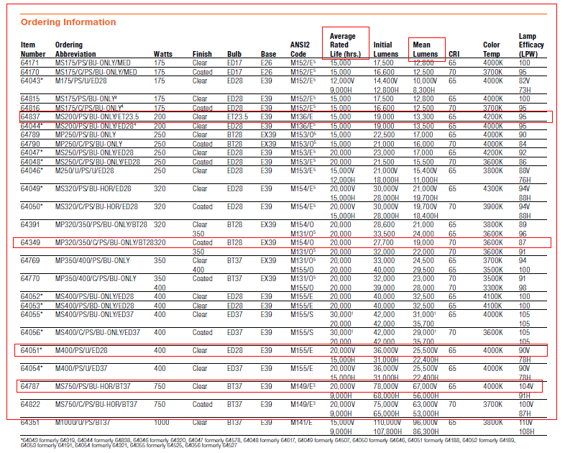
 |  |  | 1
 |  |  | http://assets.sylvania.com/assets/documents/HID_PIB4.8dbc6ea4-592a-48d8-9034-5702a6ea48ec.pdf
 |  |  |  |  |  |  |  |  | 2 |  |  | Fixture Efficiency
 |  |  |  |  |  |  |  |  | 200 Watt | http://www.visual-3d.com/tools/PhotometricViewer/default.aspx?id=13813 |  | 69.2%
 |  |  |  |  |  |  |  |  | 350 Watt | http://www.visual-3d.com/tools/PhotometricViewer/default.aspx?id=13826 |  | 69.9%
 |  |  |  |  |  |  |  |  | 400 Watt | http://www.visual-3d.com/tools/PhotometricViewer/default.aspx?id=13791 |  | 69.9%
 |  |  |  |  |  |  |  |  | 1000 Watt | http://www.visual-3d.com/tools/PhotometricViewer/default.aspx?id=13784 |  | 70.1%
 |  |  |  |  |  |  |  |  |  |  | Average | 69.8%
 |  |  |  |  |  |  |  |  |  | Note: 320 Watt and 750 Watt info not available

 |  |  | 2 |  |  | Fixture Efficiency
 |  |  | 200 Watt | http://www.visual-3d.com/tools/PhotometricViewer/default.aspx?id=13813 |  | 69.2%
 |  |  | 350 Watt | http://www.visual-3d.com/tools/PhotometricViewer/default.aspx?id=13826 |  | 69.9%
 |  |  | 400 Watt | http://www.visual-3d.com/tools/PhotometricViewer/default.aspx?id=13791 |  | 69.9%
 |  |  | 1000 Watt | http://www.visual-3d.com/tools/PhotometricViewer/default.aspx?id=13784 |  | 70.1%
 |  |  | Note: 320 Watt and 750 Watt info not available |  | Average | 69.8%

